SH 177 Map
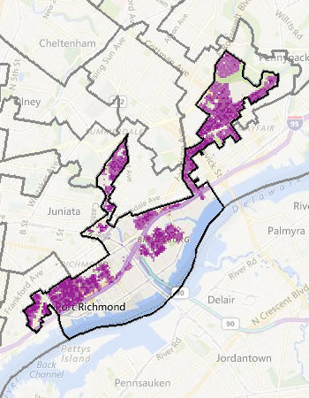
PA-SH-177 Cable Systems

SH 48 Map
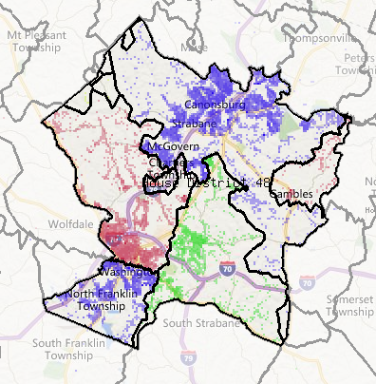
PA-SH-48 Cable Systems

